Instructions for Mod 4 Ex. 1
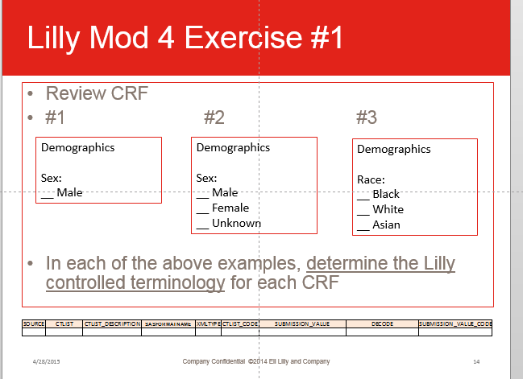
1 | Open the Lilly global library: ct_vt_global_library.
2 | Take a look at the next tab to see which columns in the global_library you are getting information for
 |  | These are the cells in orange.
3 | Search the library to find the correct codelist ot use for Sex
 |  | This can be accomplished by searching by a likely codelist name "Sex"
 |  | Or, searching for the value: "Male"
 |  | Codelist names are in column CTLIST
 |  | Codelist values (coded and decoded) are found in SUBMISSION_VALUE and DECODE
4 | Cut and Paste the values from ct_vl_global_library into the next tab

Instructions for Mod 4 Ex. 2
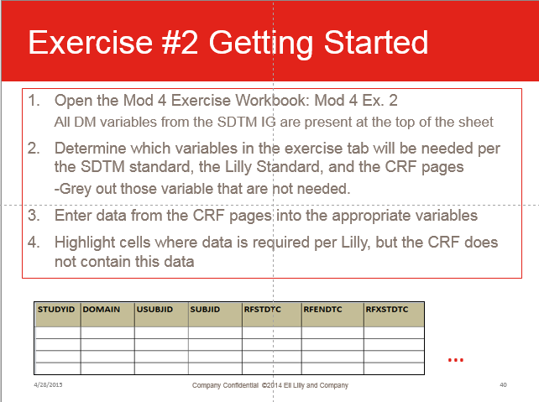
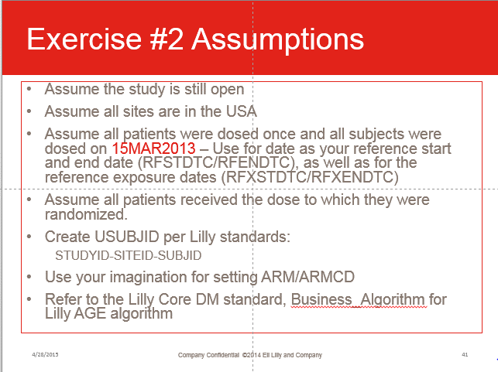
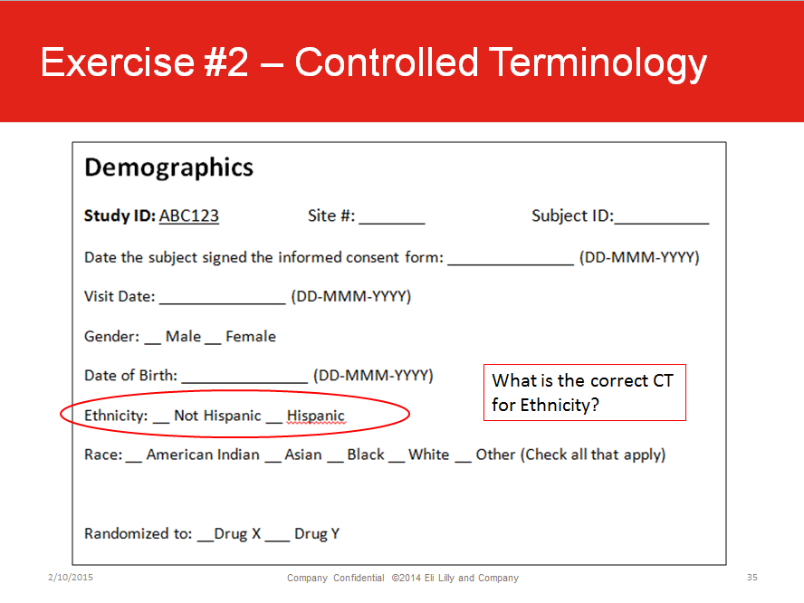
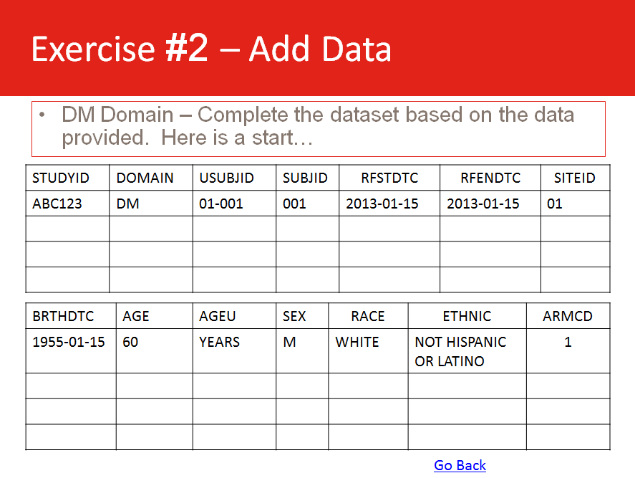
 | Hard copies of the CRF pages will be provided.
1 | The DM variables from the SDTM IG are listed at the top
2 | The Lilly SDTM DM Standard is included for reference
3 | Check the CRF page and determine which variables there is data for.
4 | Use the Lilly Standard, and the SDTM IG as reference
5 | Enter the data from the CRF pages into the spreadsheet
 |  | Remember to use Controlled Terminology where appropriate
6 | Use the Assumptions in the slide to the left to help you fill in the data for some variables (RFSTDTC, RFXSTSTC, etc.)
7 | Use the "Things to Consider" Slide questions to help guide you:
 |  | Which variables in the SDTM IG will you include?
 |  | Which variables in the SDMT IG will you exclude?
 |  | How will you handle missing data?
 |  | How will you handle multiple RACES marked?
 |  | Does the CRF use Controlled Terminology?
 |  | If CT was not used, how will you handle this?
 |  | If a value is not in the CT list, how will you handle this?
 |  | For the character variables, what length would you choose if you were programming this domain?

